Index


Index

1 | Assumptions
2 | Historicals
3 | Cost Buildup
4 | Model
5 | Cash Flow
6 | Supporting Schedules
7 | DCF Valuation
8 | Ratio Analysis
9 | Common Sizing Statement
10 | Beta
11 | WACC
12 | Comps
13 | Comps_Data
14 | Market Return
15 | Summary

Assumptions
Company Name | DLF Limited
ISIN Code | INE271C01023
Sector Name | Realty
Industry | Commercial Projects
Exchange Name | NSE- DLF , BSE- 532868
Website | DLF India | Leading Real Estate Developers
Company Description | DLF Ltd with its subsidiaries, associates and JVs is engaged in real estate development, from the identification and acquisition of land to planning, execution, construction and marketing of projects. It is also engaged in business of leasing, generation of power, provision of maintenance services, hospitality and recreational services which are related to the overall development of real estate business |  |  | 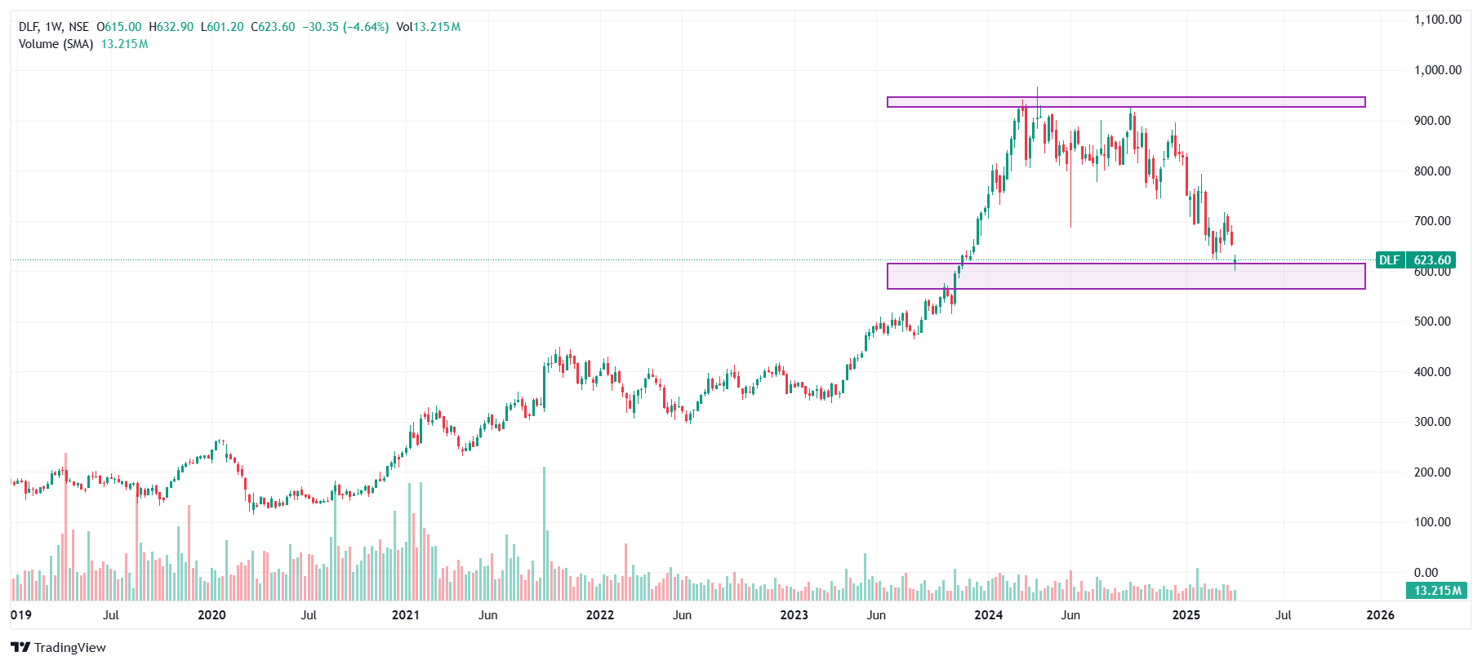
Current Market Price | 623.6

 | Scenarios | Case | %
 | Base Case | 1 | 6.00%

 | Company Data

 | No of Outstanding shares | Crs | 247.5
 | Face Value per share | Rs. | 2.0
 | Current Market Price | Rs. | 623.6
 | Market Capitalisation | INR in Crs | 154,360

 | Assumptions

 | Revenue Growth Per Year |  | 6.02%
 | 10 year Bond yield rate |  | 6.62% | (As Per RBI Data)
 | Interest rate |  | 7.37% | (As Per Company Data)
 | Perpectual Growth Rate |  | 6.48% | (As Per RBI Data)
 | EPS |  | 11.00 | (As Per Company Report)

 | Sheets | References | Assumptions

 | Cost Buildup | J15:S15, J20:S20, J32:S32, J35:S35 | Cost of good sold, Other Income and Share of associate's profits are projected as % Revenue - based on previous year metrics.
 |  | J41:S41 | Scenarios is projected as taking average year as base case and adjusted by 5% for best and bear cases
 |  | J29:S29 | All the costs are projected as a % revenue from operations except for finance costs which are calculated on PY end borrowings and latest years's % rates are used for projections.
 |  | J38:S38 | Tax Rate is estimated at 0.5% increase for every 3 years.
 | Model | M87:V87 | Dividend has been derived for forecasted years by taking the average net profits in all Projected Years.
 |  | D27:V60 | As previously mentioned, Balance Sheet Items are projected as a percentage of revenue using the most recent year's percentage as a base; otherwise, borrowings are adjusted (assumed to be taken/repaid) based on the availability of cash and cash equivalents, and investments in joint ventures and associates are projected using the average rate as a percentage of revenue.
 | Working Schedules | J6:S9 | Trade Receivables, Inventory and Trade Payables are forecasted by using DSO, DIO,DPO method
 |  | C6:U16 | Capex of the year 2025 has been forecasted by increasing 0.5% every year to the latest audited year i.e 2024, and depreciation rate is projected year's rate and increased by 0.5% every 3 years
 |  | J14:S16 | The average of the audited years is used to forecast DSO, DIO, and DPO.
 | Cash Flow | M87:V93 | Cash Flow is prepared by using the data from Income statements and Balance sheet, for forecasting the cash flow we have taken difference between the amount of the two years i.e (Current year - Previous Year)
 | Common Sizing Statement | E9:K54 | Common size analysis assumes that expressing all line items as a percentage of a base figure (like revenue or total assets) enables easy comparison across companies and time periods. It also assumes consistency in accounting methods for meaningful insights.
 | Comps | C9:J25 | Comparable companies are selected based on similar industry, size, geography, and business model, ensuring relevant financial metrics.
 | Equity Beta | C11:K220 | Equity has been derived by using the stock exchange rate and company’s exchange rate of 5 years. By using sloope function.
 | Market return | D9:F536 | Market return has been derived by using the index stock exchange price(i.e Nifty 50 Index) of 10 years on Weekly Basis.
 | Summary | I12:N15 | "The Football Field Chart shows DLF’s valuation range based on DCF, trading comps, 52-week high/low, and analyst consensus. It provides a visual summary of intrinsic and market-based valuation approaches under multiple scenarios."

Summary
Valuation Summary - Football Field

Football Field Data
 |  |  |  |  | Market
 |  | Comps | DCF | 52-week hi/lo | Consensus
 | High | 966 | 106 | 968 | 690
 | High | 966 | 106 | 968 | 690
 | Low | 663 | 80 | 622 | 450
 | Low | 663 | 80 | 622 | 450

Valuation Summary

